PID Summary
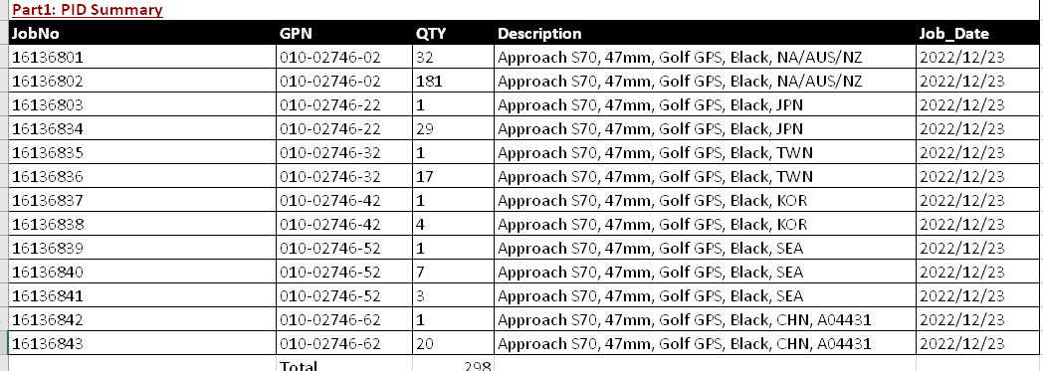

Test Result
Process Type | ItemNameType | FPY % | FYR % | Retest Rate % | Retest Rate | Total QTY /Pass Qty | Avg Pass (sec) | TestDate (UTC)
ApproachS70_RTESN | 16199 | 98.32 | 100 | 2.01 | 2.01 | 298/298 | 64.74 | 2022-12-30T01:57:58+00:00
Approach_S70_CT | 16516 | 95.3 | 99.66 | 7.38 | 7.38 | 298/297 | 71.55 | 2022-12-23T11:16:28+00:00
Approach_S70_HT | 16517 | 97.64 | 100 | 2.69 | 2.69 | 297/297 | 85.96 | 2022-12-28T06:12:05+00:00
Approach_S70_RT1 | 16518 | 93.46 | 100 | 11.54 | 11.54 | 260/260 | 95.05 | 2023-01-03T09:03:18+00:00
Approach_S70_RT2_ALS | 16519 | 71.54 | 99.23 | 48.46 | 48.46 | 260/258 | 91.76 | 2022-12-29T02:32:46+00:00
5 atm. test | 8837 | 93.8 | 99.61 | 12.02 | 12.02 | 258/257 | 178.45 | 2023-01-13T10:53:33+00:00
Approach_S70_FT1 | 16521 | 86.44 | 97.29 | 19.66 | 19.66 | 295/287 | 96.34 | 2023-01-18T02:29:09+00:00
Approach_S70_FT2_ALS | 16528 | 90.21 | 99.65 | 19.93 | 19.93 | 286/285 | 165.29 | 2023-01-09T01:31:37+00:00
Approach_S70_FT3 | 16523 | 98.25 | 99.65 | 4.2 | 4.2 | 286/285 | 49.08 | 2022-12-29T10:12:06+00:00
Approach_S70_Baro | 16895 | 97.91 | 100 | 15.68 | 15.68 | 287/287 | 49.75 | 2022-12-29T10:38:50+00:00
Approach_S70_GSensor | 16524 | 98.26 | 100 | 13.59 | 13.59 | 287/287 | 50.74 | 2022-12-29T10:18:35+00:00
Approach_S70_Compass | 16525 | 99.65 | 100 | 11.85 | 11.85 | 287/287 | 67.61 | 2022-12-29T10:22:07+00:00
Approach_S70_Gyro | 16894 | 94.76 | 99.3 | 8.04 | 8.04 | 286/284 | 47.63 | 2023-01-09T04:25:17+00:00

